TS50136-10
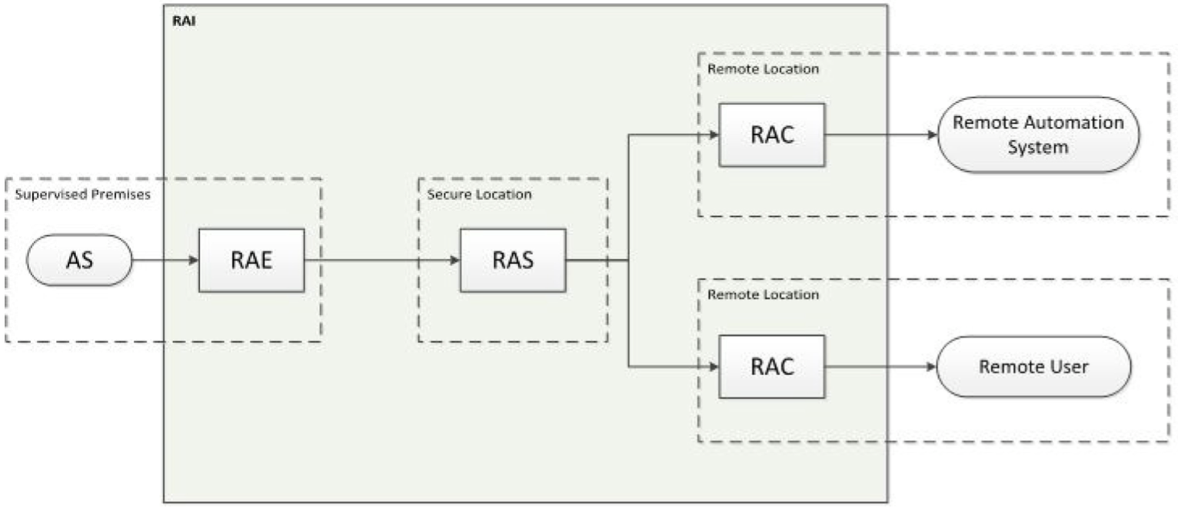
TS50136-10 CLC TC79 WG5 | Alarm systems - Alarm transmission systems and equipment - Part 10: Requirements for remote access.
 | This standard specifies minimum requirements for secure connection and session for remote access to alarm systems. This standard specifies the requirements for the performance, reliability, integrity and security of a Remote Access Infrastructure.

Functionality | Requirement | Chapter | Check
RAISP | Responsible for security measures to protect the RAI | 5
 | Shall apply security measures, described in the technical documentation | 5.1
 | Data integrity protection following EN50136-1 6.8.1 | 5.2
 | Data encryption following EN50136-1 6.8.1 | 5.2
 | Only authenticated connections allowed from RAE and RAC to RAS | 5.3
 | Two factor authentication | 5.3
 | Login attempts restricted to limit risk of brute attack | 5.3
 | Timeouts after inactivity | 5.3
 | Remote user information inside RAI protected | 5.3
 | Remote users or third party systems privileges to the RAI management | 5.4
 | Monitor and log authenticated user login and logout, authenticated RAE connections, authenticated RAC connections | 5.5
 | Monitor and log modifications to RAI configuration by RAISP | 5.5
 | Monitor and log modifications of credentials and privileges | 5.5
 | Monitor and log security related events | 5.5 |  | Drawing taken out of CLC/TS 50136-10:2022 Figure 1
 | RAI performance criteria and levels agreed. Performance monitoring | 6
 | Responsible for documentation (planning, installation, commissioning, service and operation of the RAI) | 7.4 |  | Abbreviations | Defined terms | Definitions from standard
 | Responsible for risk management processes (Technology, Continuity Management, Risk Management, Identity Management, Configuration Management, Cyber security) | 8 |  | - | Remote User | person using the RAI via the RAC to remotely access one or more alarm systems
RAE | It shall be authenticated | 5.3 |  | AS | Alarm System | -
 | No hardware requirements | 7.3 |  | RAI | Remote Access Infrastructure | system incorporating the logical functions of the RAE, RAS and RAC
 | It shall no affect normal operation/performance of the connected alarm system | 7.3 |  | RAC | Remote Access Client | logical function used to gain remote access to functions of one or more alarm systems
 | Hosted in the supervised premises | 7.3 |  | RAS | Remote Access Server | logical functions used to manage multiple remote connections of multiple alarm systems and users
RAC | It shall be authenticated | 5.3 |  | RAE | Remote Access Endpoint | logical function that manages remote access to functions of one or more AS
 | No physical requirements | 7.1 |  | - | third-party system | system or application communicating with the alarm system via the RAI that is not produced by the RAISP
 | Managed by RAISP | 7.1 |  | RAISP | Remote Access Instructure Service Provider | entity responsible for the design, operation and maintenance of the RAI
RAS | It shall be authenticated | 5.3
 | No hardware requirements | 7.2
 | Hosted in secure location (alternatively located at the supervised premises) | 7.2
 | Managed by RAISP | 7.2

Structure | Additional applications for the RAI shall be arranged so that RAI requirements in this TS are still met | 4.1
 | RAI shall be designed to only allow connections between RAE and RAS on one end, and between RAS and RAC on the other end. | 4.2
 | Connection between RAC and RAE only allowed via RAS | 4.2

EN16763
EN 16763:2017 CEN-CLC TC4 | Services for fire safety systems and security systems.
 | This standard specifies the minimum requirements for service providers as well as the competencies, knowledge and skills of their involved staff, regardless whether these services are provided on-site or remotely.
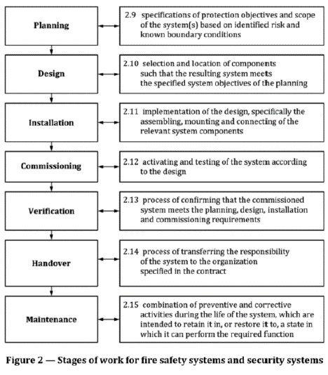
 | Requirement | Chapter | Check
General | Note: Annex A for guidance on the documentation of the stages of work | 3.1
 | Identification of the service provider (name and trading name, address, authorized person, national registrations,…) | 3.2
 | Meet national laws and regulations. | 3.2
 | Use this standard requirements only in conjuction with EN standards and national guidelines. | 3.2
 | Have resources, knowledge and skills to fulfill the declared services. | 3.2
 | Processes to execute the declared services rightfully | 3.2
 | Processes to record executed services and mantain these records. | 3.2
 | Have executed services in the field of expertise | 3.2
 | Initial and ongoing staff training | 3.2
 | Insurance for all declared services | 3.2
 | Management system that covers the quality of the execution of the declared services | 3.2
 | Access to manufacturers' instructions for components and systems for the declared services | 3.2
 | Access to the applicable standards, guidelines,… | 3.2
 | Keep client related information confidential and secure | 3.2
 | Where allowed by regulation and required, provide evidence of security vetting | 3.2
 | Use components and systems complying with the existing standards and/or acknowledged rules of technology | 3.2
Subcontracting | Responsibility stays in the service provider | 3.3
 | Processes to monitor and manage the quality of subsconstructed services | 3.3
Staff | Identify staff undertaking roles A,B,C | 3.4
 | Demonstrate adequate numbers to support the service provided | 3.4 |  | Flow chart taken out of EN 16763 Figure 2
 | Role A (decision-making authority + responsability for compliance). - level 5 of EQF within the declared services, or -realizing 3 systems in the last 5 years in the declared services | 3.4
 | Role B (self management and supervision of the routine work of others, some responsibility for the evaluation and improvement of work). - level 4 of EQF within the declared services, or -realizing 3 systems in the last 3 years in the declared services | 3.4
 | Role C (fullfilling assigned tasks in a reliable way). - level 3 of EQF | 3.4
Service output | Processes for defining and documenting the output of a stage of work: - alligned with the relevant application guide - in accordance with local requirements - change control - identify the responsible person | 3.5
 | Requirements for maintenance providers: - staff with the right knowledge, skills and competences - maintenance in accordance with contract and manufacturer's specifications - service output in accordance with general requirements, client informed. | 3.5

